center_first_element
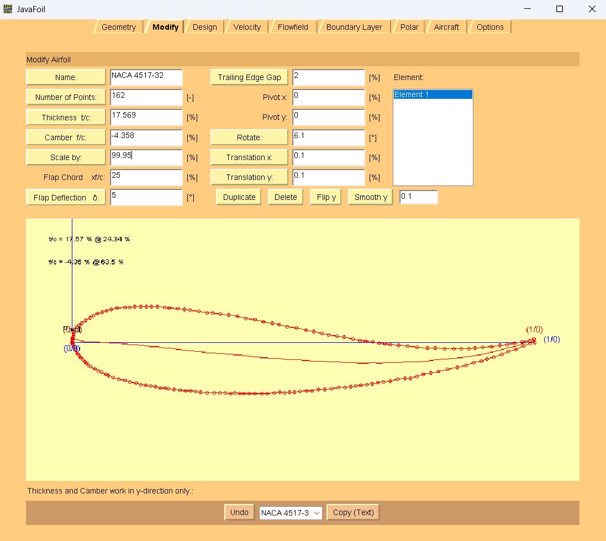
1 | 0 | AoA = 6.1 deg
0.99928436 | 0.00733702
0.99022145 | 0.00475966
0.9740196 | 0.00116301
0.95781777 | -0.00243364
0.94180164 | -0.00429262
0.9257855 | -0.00615161
0.90784537 | -0.00956866
0.88835263 | -0.01106845
0.8723365 | -0.01292744
0.85824437 | -0.01322835
0.84241395 | -0.01334967
0.82658352 | -0.013471
0.80727648 | -0.01323314
0.78623114 | -0.01281568
0.76866241 | -0.0127574
0.74606447 | -0.01042269
0.72520483 | -0.00826757
0.7060835 | -0.00629204
0.68870047 | -0.0044961
0.67653235 | -0.00323895
0.66436423 | -0.00198179
0.65064351 | 0.00119261
0.63499878 | 0.00280896
0.62283066 | 0.00406611
0.60737163 | 0.00742012
0.58843601 | 0.01113331
0.57279128 | 0.01274965
0.55559395 | 0.01628325
0.54013493 | 0.01963726
0.5229376 | 0.02317085
0.50574028 | 0.02670445
0.48506633 | 0.03059723
0.46613071 | 0.03431042
0.44719508 | 0.03802361
0.43347436 | 0.04119802
0.41280043 | 0.04509081
0.39560309 | 0.0486244
0.37666746 | 0.05233759
0.35773183 | 0.05605078
0.33879621 | 0.05976397
0.32141317 | 0.06155991
0.30403014 | 0.06335584
0.29186202 | 0.064613
0.274479 | 0.06640893
0.25554336 | 0.07012213
0.24337524 | 0.07137928
0.22773052 | 0.07299562
0.21034748 | 0.07479155
0.19991767 | 0.07586911
0.18427294 | 0.07748545
0.17191912 | 0.07700495
0.1614893 | 0.0780825
0.14913548 | 0.077602
0.13504335 | 0.07730109
0.12442783 | 0.07664098
0.11381231 | 0.07598088
0.09605787 | 0.07430149
0.08525665 | 0.07190373
0.07426972 | 0.0677683
0.06520681 | 0.06519094
0.05440558 | 0.06279318
0.04515695 | 0.05847816
0.03764664 | 0.05398354
0.02995062 | 0.04775127
0.02051629 | 0.04169858
0.01474428 | 0.03702438
0.00915796 | 0.03408783
0.00493854 | 0.02749637
0.00264313 | 0.02246298
0.00208603 | 0.01724998
0.00171462 | 0.01377466
0.00134321 | 0.01029933
0.00078611 | 0.00508635
0 | 0
0.0014102 | -0.00551922
0.0043297 | -0.01109139
0.0072492 | -0.01666357
0.0101687 | -0.02223574
0.01327389 | -0.02607025
0.01637909 | -0.02990477
0.01948429 | -0.03373928
0.02258949 | -0.0375738
0.027433 | -0.0415879
0.0305382 | -0.04542241
0.0353817 | -0.04943652
0.04022521 | -0.05345062
0.04854532 | -0.05782392
0.05686542 | -0.0621972
0.06363294 | -0.06465324
0.07195305 | -0.06902654
0.07872055 | -0.07148257
0.08877897 | -0.07603546
0.10076138 | -0.07903027
0.11448211 | -0.08220468
0.12472622 | -0.08501991
0.13844695 | -0.08819432
0.14869106 | -0.09100954
0.15893518 | -0.09382477
0.16936499 | -0.09490233
0.17979481 | -0.09597989
0.19003893 | -0.09879511
0.20046874 | -0.09987267
0.20916026 | -0.10077064
0.22132838 | -0.10202779
0.23349651 | -0.10328495
0.24566462 | -0.10454211
0.25609444 | -0.10561966
0.26652426 | -0.10669723
0.27695408 | -0.10777478
0.2925988 | -0.10939113
0.30669093 | -0.10909021
0.31885905 | -0.11034736
0.33121287 | -0.10986686
0.343381 | -0.11112402
0.35225821 | -0.11028432
0.36268803 | -0.11136187
0.37156525 | -0.11052218
0.38373337 | -0.11177933
0.3960872 | -0.11129883
0.41017932 | -0.11099792
0.42253314 | -0.1105174
0.43662527 | -0.11021649
0.44916479 | -0.10799832
0.45959461 | -0.10907588
0.47021013 | -0.10841577
0.48082565 | -0.10775568
0.49317947 | -0.10727516
0.50745731 | -0.10523659
0.51981113 | -0.10475608
0.53235066 | -0.10253791
0.54644278 | -0.10223699
0.56072062 | -0.10019842
0.57673674 | -0.09833944
0.59082887 | -0.09803852
0.6033684 | -0.09582035
0.61398391 | -0.09516024
0.62478514 | -0.09276249
0.63713896 | -0.09228197
0.64967849 | -0.09006381
0.66221801 | -0.08784563
0.67301924 | -0.08544786
0.68903537 | -0.08358888
0.7052372 | -0.07999224
0.71951504 | -0.07795366
0.73186886 | -0.07747315
0.74633239 | -0.07369691
0.76079592 | -0.06992068
0.77699775 | -0.06632402
0.79319959 | -0.06272738
0.81287803 | -0.05948991
0.83274217 | -0.0545148
0.85260631 | -0.04953968
0.86899385 | -0.04420536
0.88519569 | -0.04060872
0.89792091 | -0.03665288
0.91257015 | -0.03113898
0.93069599 | -0.02598427
0.94360692 | -0.02029077
0.95999446 | -0.01495646
0.9765677 | -0.00788449
1 | 0

